Sheet1
 | Turtlesback Review

Uprooted |  | Descent | Descent

How is the difficulty ( too hard? too easy? how could it be made easier if too hard ), What about the controls? |  | How is the difficulty ( too hard? too easy? how could it be made easier if too hard ), What about the controls? | How is the difficulty ( too hard? too easy? how could it be made easier if too hard ), What about the controls?

The difficulty is just right in my opinion, not to easy and not too hard, keyboard controls work and respond well |  | The game is a bit to simple, some obstacles would be nice to make it a bit more challenging, however the game works well with no noticible abnormalities. | Difficulty was a bit high as user needs to predict fish coming in.

Do you like the way the game looks? Do the colors make sense? |  | Do you like the way the game looks? Do the colors make sense? | Do you like the way the game looks? Do the colors make sense?

Nice appealing light colors, makes user continue wanting to play. I like how its obvious to the user when a branch is hit, as the character lights up. |  | Looks good, smooth movement of realistic objects and nice colors. | The game looks good.

Additional Feedback (Anything you can think of that we should consider) |  | Additional Feedback (Anything you can think of that we should consider) | Additional Feedback (Anything you can think of that we should consider)

none. |  | If possible make it so that if the space bar is held longer she jumps a bit higher and stays in the air a bit longer | Maybe show user the elevation at which a fish will be coming in and fish type so that the user has more to work with when deciding where and when to drop

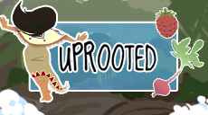
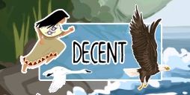


 |  | Grounded

 |  | How is the difficulty ( too hard? too easy? how could it be made easier if too hard ), What about the controls?

 |  | Good moderate level of difficulty

 |  | Do you like the way the game looks? Do the colors make sense?

 |  | Looks good

 |  | Additional Feedback (Anything you can think of that we should consider)

 |  | My least favorite game of the 4, not clear why pictures randomly pop up while you play.

